Shapes
Decision
N
Y
Terminator
Preparation
1
1
Or

Process
Predefined Process
Alternate Process
Manual Operation
Extract
Merge
Summing Junction
Delay

Manual Input
Data
Internal Storage
Document

Stored Data
Sequential Access Storage

Display

MultiDocuments

1a Install Screen
Database | https://msdn.microsoft.com/en-us/library/ms233763(v=vs.140).aspx

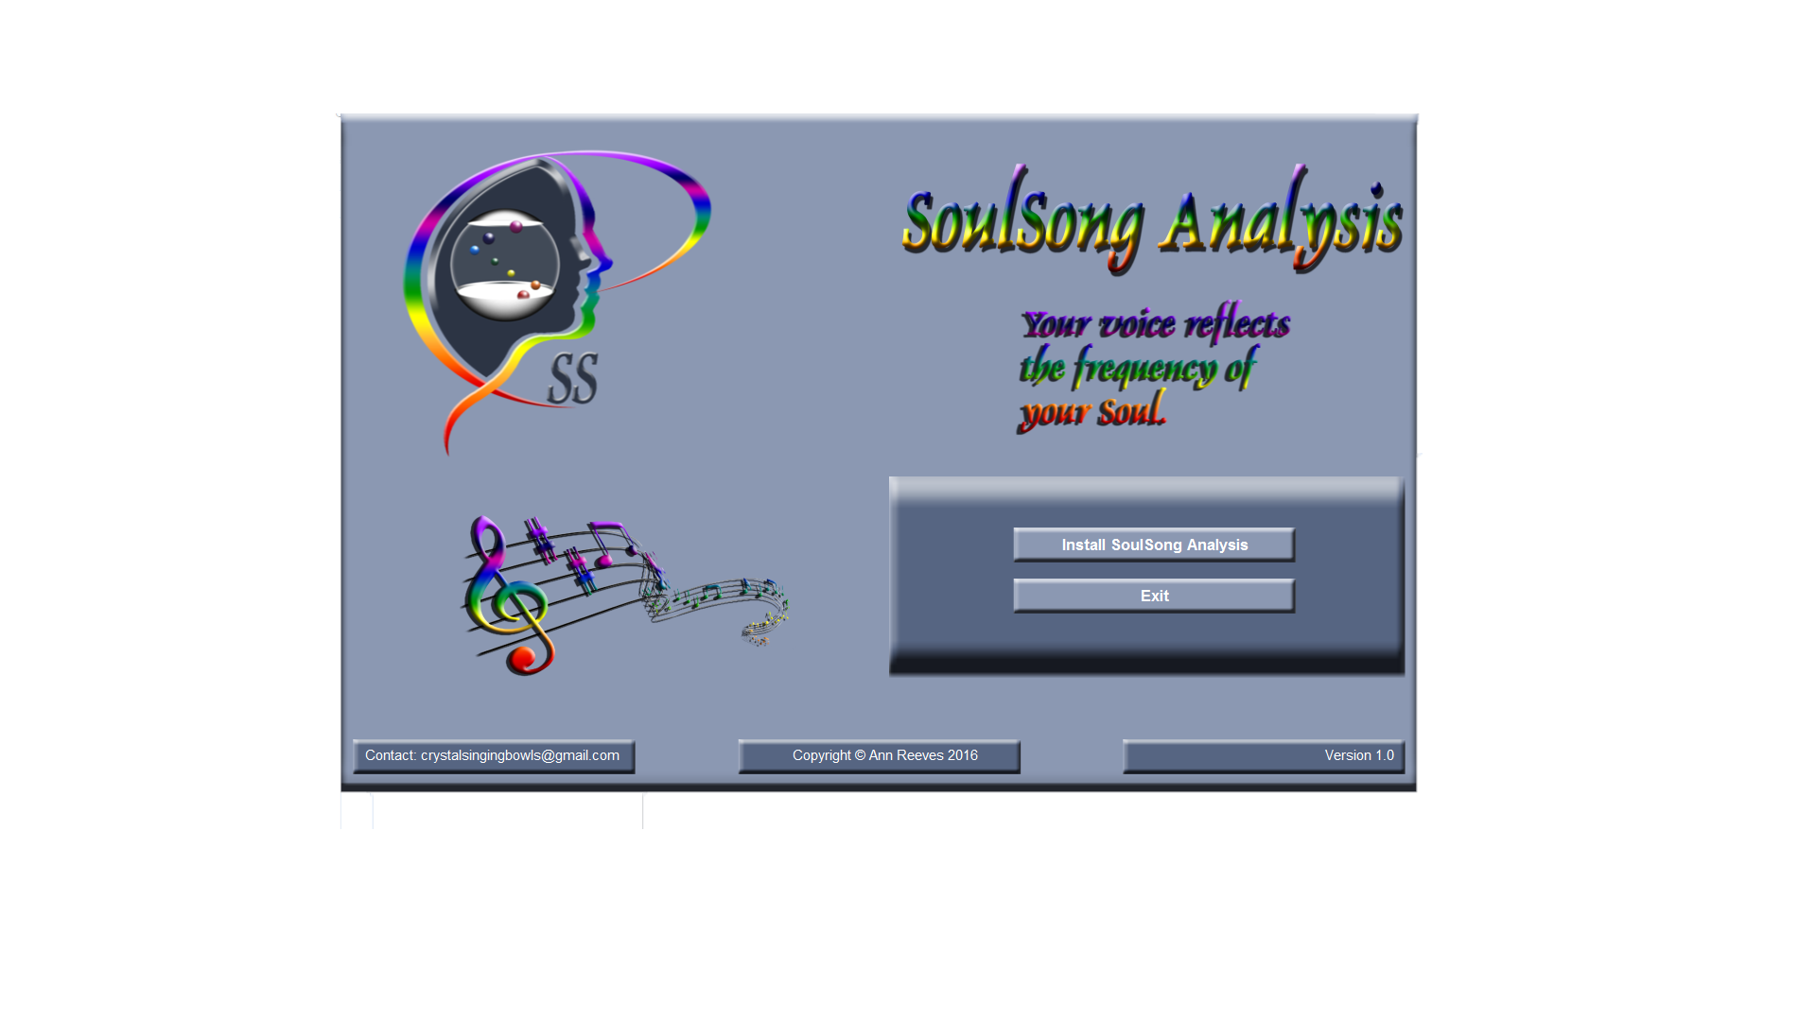

USB & Mic

USB Key Code Accepted
N
Y
Install
N
Y
Display:
Install Screen
Identify
Home Directory
Start

 |  |  | 1
Display:
"Plug in USB Key Prior to installing SoulSong Analysis"
Exit
 |  | Exit

Default Directory
C:\Program Files\SoulSong Analysis
Identify
Different Home Directory

Exit

Install

2a

2 frmHome
Database | https://msdn.microsoft.com/en-us/library/ms233763(v=vs.140).aspx

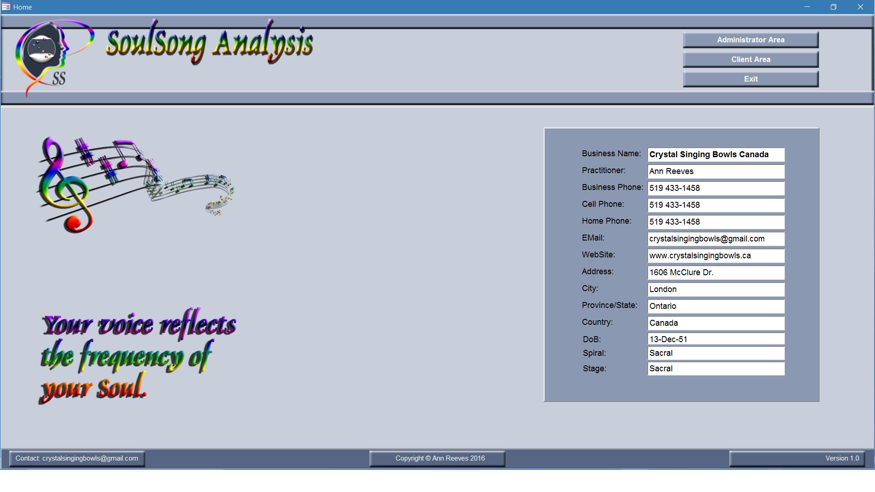

 |  |  | cmdClientArea | Macro | Close Home Go Client Area
 |  |  | cmdAdministrator | Macro | Close Home Go Administrator Area
 |  |  | cmdExit | Macro | Exit Application
 |  |  |  | Field Name | qryPractitionerExtended
 |  |  | txtBusinessName | BusinessName
 |  |  | txtFullName | FullName
 |  |  | txtBPhone | BPhone
 |  |  | txtCPhone | CPhone
 |  |  | txtHPhone | HPhone
 |  |  | txtEmail | Email
 |  |  | txtWebSite | WebSite
 |  |  | txtAddress | Address
 |  |  | txtCity | City
 |  |  | txtStateProvince | StateProvince
 |  |  | txtCountry | Country
 |  |  | txtDoB | DoB
 |  |  | txtSpiral |  | Gbl_SpiralName
 |  |  | txtStage |  | Gbl_StageName
 |  |  | cmdPractitionerProfile | Macro | Open Practitioner Profile

Dongle & Mic
USB & Mic Code Accepted
N
Y
Business Name
Exists
N
Y
Administrator Area
Hidden: Check for Dongle Code
Display:
Practitioner Information
3a

Edit Practitioner
Profile
Client Area
Display:
"Plug in Microphone Prior to starting SoulSong Analysis"
2b
4a

Exit
Exit
http://www.kakasoft.com/usb-security/faq.html
http://www.rainbow.com.my/product.php
Excel Software - Make Dongle
https://www.keylok.com/solutions/codevault
https://www.microcosm.com/products/dinkey-pro-fd/prices
http://www.hs-securityware.com/enky-xl/enky_xl_e.html
https://sentinel.gemalto.com/software-monetization/sentinel-hl/ |  | 1
https://en.wikipedia.org/wiki/Software_protection_dongle
http://blogs.flexerasoftware.com/ecm/2013/12/myth-buster-dongles-provide-the-most-secure-software-protection.html

3a frmAdministratorArea
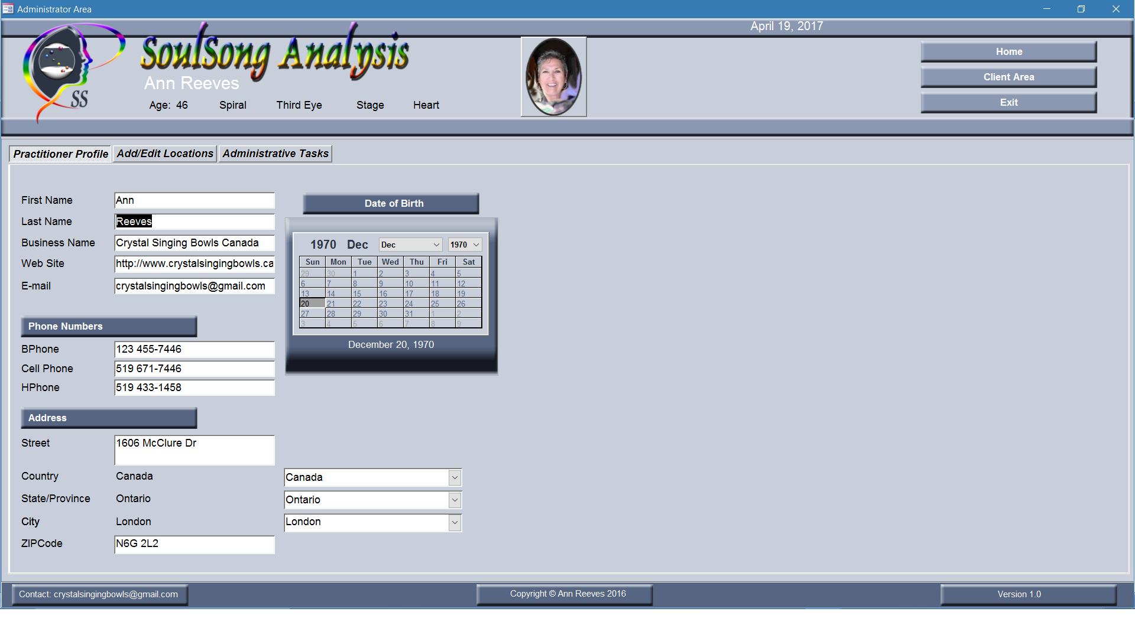
 |  | Header
 |  | txtCurrentDate |  | Date
 |  | Auto_Title0 | =Nz([Practitioner Name],"Untitled") |  | txtDuplicatesWarning
 |  | (Tag)ReplaceNull~FieldName=Practitioner Name~ReplacementText=Untitled
 |  | cmdClose | Macro | Close Administrator Go Home
 |  | cmdClientArea | Macro | Close Administrator Go Client Area
 |  | cmdExit | Macro | Exit Application
 |  |  | Field Name | Source
 |  | txtID | ID | qryPractitionerExtended
 |  | txtAge | =Gbl_Age | qryPractitionerExtended
 |  | txtSpiral | =Gbl_SpiralName | qryPractitionerExtended
 |  | txtStage | =Gbl_StageName | qryPractitionerExtended
 |  | Tab Practitioner Profile
 |  | txtFirstName | FullName | qryPractitionerExtended
 |  | txtLastlName | FullName | qryPractitionerExtended
 |  | txtBusinessName | BusinessName | qryPractitionerExtended
 |  | txtEmail | Email | qryPractitionerExtended
 |  | txtWebSite | WebSite | qryPractitionerExtended
 |  | txtDoB | DoB | qryPractitionerExtended
 |  | cboDay |  | txtDoB
 |  | cboMonth |  | txtDoB
 |  | cboYear |  | txtDoB
 |  | txtBPhone | BPhone | qryPractitionerExtended
 |  | txtCPhone | CPhone | qryPractitionerExtended
Open frmAdministratorArea
 |  | txtHPhone | HPhone | qryPractitionerExtended
2b
Close
2a
 |  | txtAddress | Address | qryPractitionerExtended
 |  | txtCountry | Country | qryPractitionerExtended
 |  | txtStateProvince | StateProvince | qryPractitionerExtended
 |  | txtCity | City | qryPractitionerExtended
Client Area
 |  | txtZIPCode | ZIPCode | qryPractitionerExtended
4a
 | 2 | cboCountryName | CountryName | qryCountryUnion
 |  | cboStateName | StateName | qryStateUnion
 |  | cboCityName | CityName | qryCityUnion
Tab Practitioner
Profile
Tab Administrative Tasks
Exit
Tab Locations

3b
3c
Save to tblPractitioner

Tab Practitioner Profile

3b frmAdministratorArea
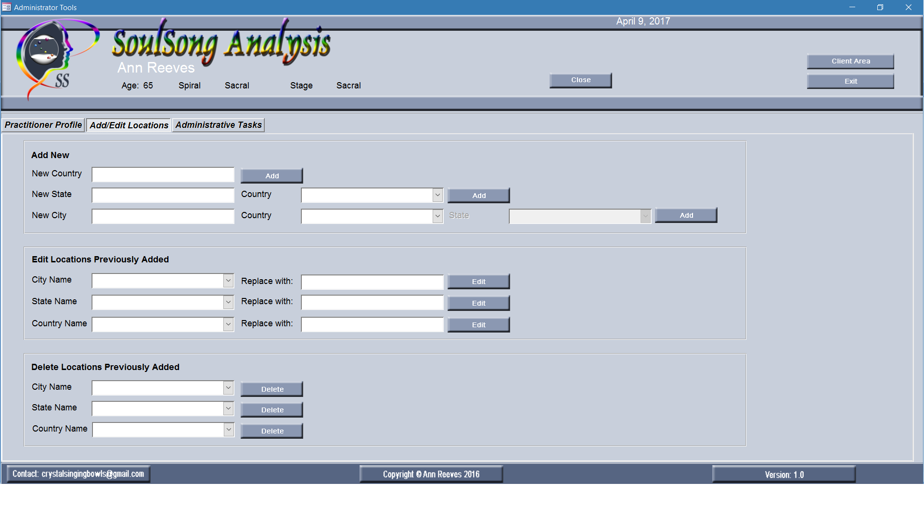
 | Header
 | txtCurrentDate |  | Date
 | Auto_Title0 | =Nz([Practitioner Name],"Untitled")
 | (Tag)ReplaceNull~FieldName=Practitioner Name~ReplacementText=Untitled
 | cmdClose | Macro | Close Administrator Go Home
 | cmdClientArea | Macro | Close Administrator Go Client Area
 | cmdExit | Macro | Exit Application
 |  | Field Name | Source
 | txtID | ID | qryPractitionerExtended
 | txtAge | =Gbl_Age | qryPractitionerExtended
 | txtSpiral | =Gbl_SpiralName | qryPractitionerExtended
 | txtStage | =Gbl_StageName | qryPractitionerExtended
 | Tab Add/Edit Locations
 | Add New
 | New Country | txtNewCountryName
 |  | cmdAddNewCountry | tblCountryNew
 | New State | txtNewStateName
 |  | cboExistingCountries | qryCountryUnion
 |  | cmdAddNewState | tblStateNew
 | New City | txtNewCityName
 |  | cboExistingCountries2 | qryCountryUnion
 |  | cboExistingStates | qryStateUnion
 |  | cmdAddNewCity | tblCityNew
 | Edit
 |  | txtOldName | temp val
 | City Name | cboEditCityName | qryCityUnion
 |  | txtReplaceCityName
3b
 |  | cmdEditCity | tblCityNew
 | State Name | cboEditStateName | qryStateUnion
 |  | txtReplaceStateName
 |  | cmdEditState | tblStateNew
 | Country Name | cboEditCountryName | qryCountryUnion
 |  | txtReplaceCountryName
 |  | cmdEditCountry | tblCountryNew
 | Delete
 | City Name | cboDeleteCityName
 |  | cmdDeleteCity
 |  | txtCitieswithState | identifies attached cities
 | State Name | cboDeleteStateName
 |  | cmdDeleteState
 |  | txtStateswithCountry | identifies attached states
 | Country Name | cboDeleteCountryName
 |  | cmdDeleteCountry
Tab Add/Edit Locations

3c frmAdministrator
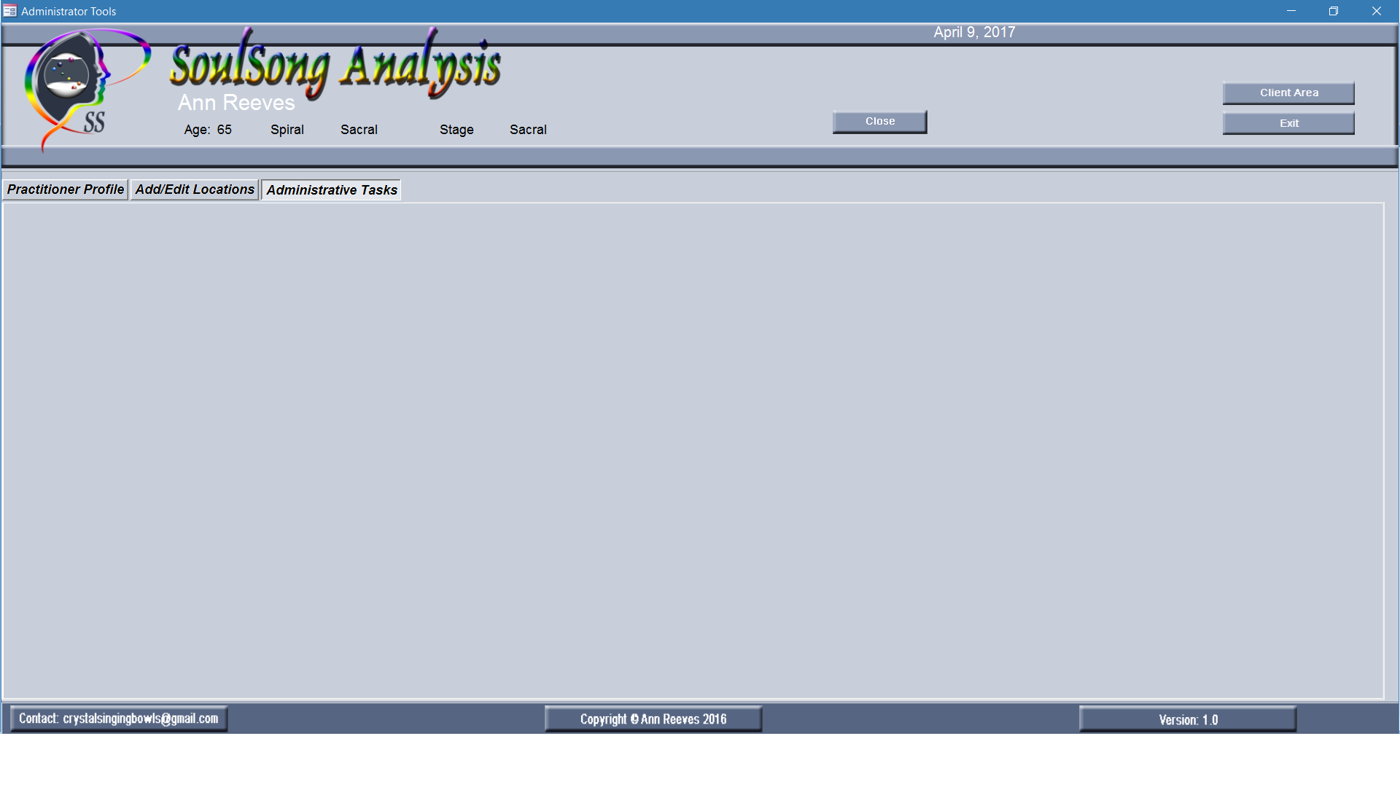
 |  |  | Header
 |  |  | txtCurrentDate |  | Date
 |  |  | Auto_Title0 | =Nz([Practitioner Name],"Untitled")
 |  |  | (Tag)ReplaceNull~FieldName=Practitioner Name~ReplacementText=Untitled
 |  |  | cmdClose | Macro | Close Administrator Go Home
 |  |  | cmdClientArea | Macro | Close Administrator Go Client Area
 |  |  | cmdExit | Macro | Exit Application
 |  |  |  | Field Name | Source
 |  |  | txtID | ID | qryPractitionerExtended
 |  |  | txtAge | =Gbl_Age | qryPractitionerExtended
 |  |  | txtSpiral | =Gbl_SpiralName | qryPractitionerExtended
 |  |  | txtStage | =Gbl_StageName | qryPractitionerExtended
 |  |  | Tab Administrative Tasks

3c
Condense & Backup database
Check for updates
Email request for support
Reports to print
 | Client List
 | Client Sessions

 |  | Tab AdministrativeTasks

4a frmClientArea-Notes
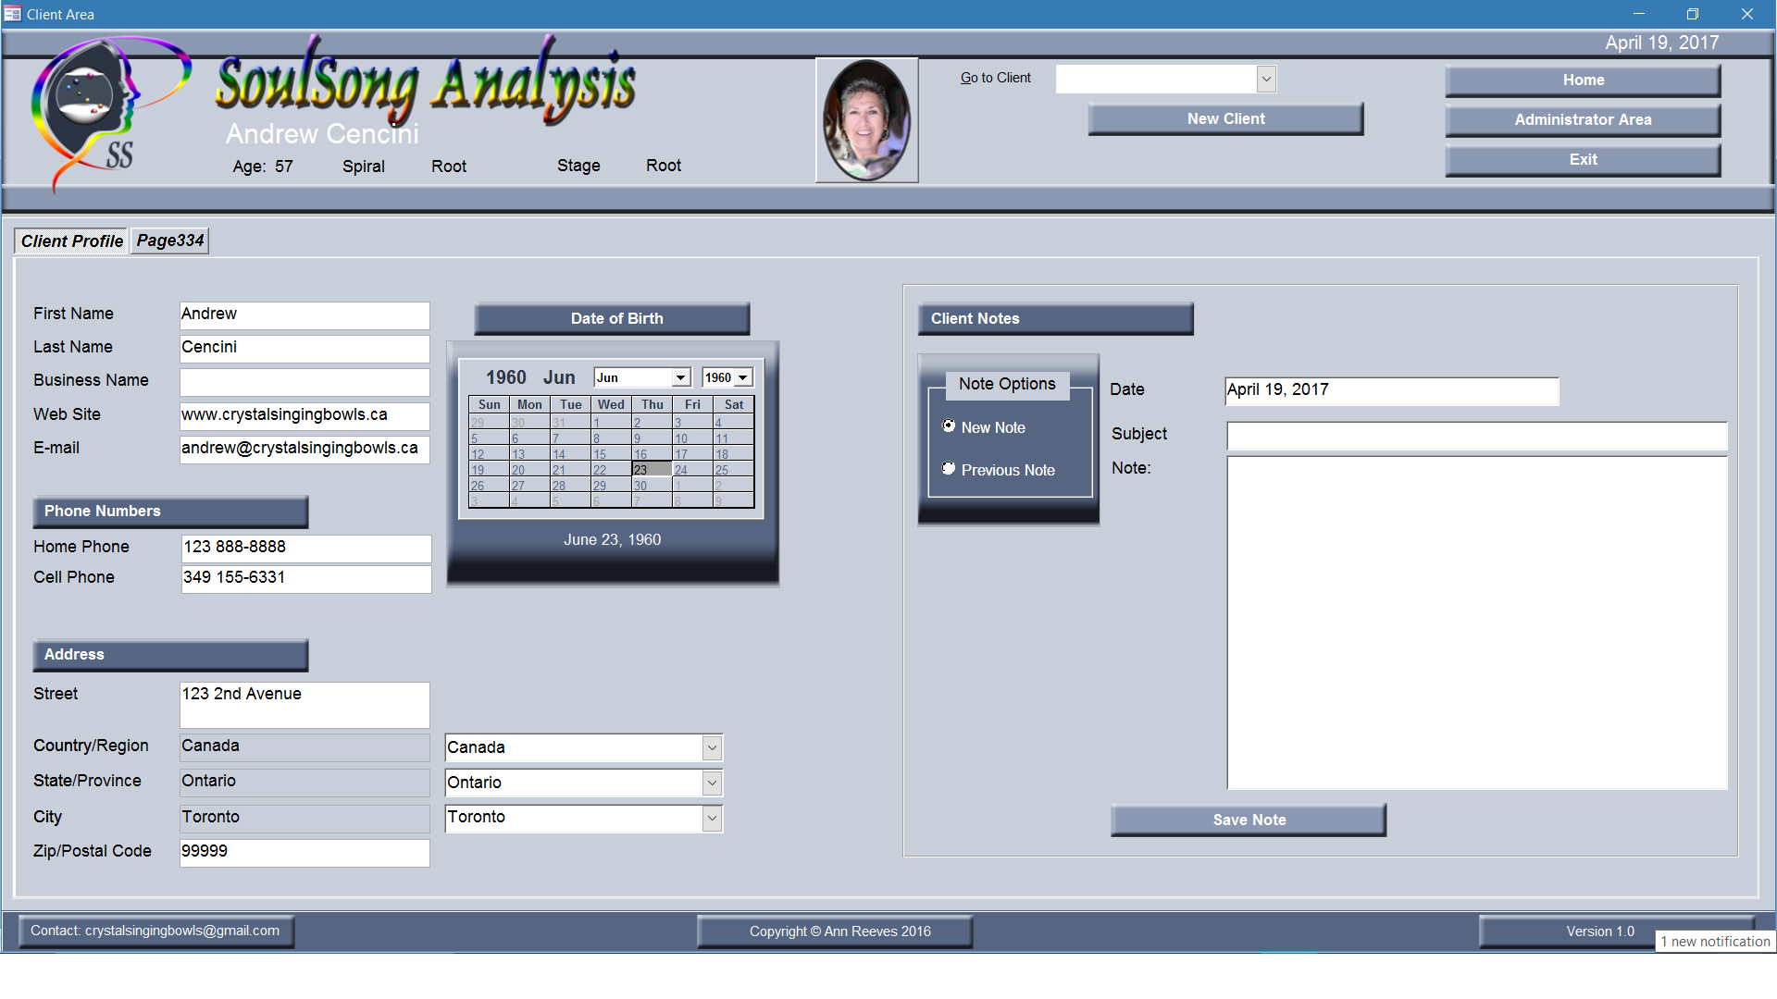
 | Header
 | txtCurrentDate |  | Date
 | Auto_Title0 | =Nz([Practitioner Name],"Untitled")
 | (Tag)ReplaceNull~FieldName=Practitioner Name~ReplacementText=Untitled
 | txtDuplicatesWarning | =IIf(DCount("*","[qryClientsExtended]","[ID]<>" & Nz([ID],0) & " And [Client Name]
 |  | = '" & Replace(Nz([Client Name]),"'","''") & "'")>0,"Possible Duplicate","")
 | cmdClose | Macro | Close Client Go Home
 | cmdAdministratorArea | Macro | Close Client Go Administrator Area
 | cmdExit | Macro | Exit Application
 | txtID | ID | qryClientsExtended
 | txtAge | = (Date - Me.txtDoB) / 365.25
 | txtSpiral | = Gbl_SpiralName(Me.txtAge) | txtAge
 | txtStage | = Gbl_StageName(Me.txtAge) | txtAge
 | Tab Client Profile
 | txtFirstName | FullName | qryClientsExtended
 | txtLastlName | FullName | qryClientsExtended
 | txtBusiness | Business | qryClientsExtended
 | txtEmail | Email | qryClientsExtended
 | txtWebSite | WebSite | qryClientsExtended
 | txtDoB | DoB | qryClientsExtended
 | cboDay |  | txtDoB
 | cboMonth |  | txtDoB
 | cboYear |  | txtDoB
 | txtBPhone | BPhone | qryClientsExtended
New Client
 | txtCPhone | CPhone | qryClientsExtended
Client
Profile
 | txtHPhone | HPhone | qryClientsExtended
 | txtAddress | Address | qryClientsExtended
 | txtCountry | Country | qryClientsExtended
 | txtStateProvince | StateProvince | qryClientsExtended
Save to tblClient
 | txtCity | City | qryClientsExtended
 | txtZIPCode | ZIPCode | qryClientsExtended
 | cboCountryName | CountryName | qryCountryUnion
Open frmClientArea
Tab Client Profile
Save to tblClients
Choose Client
Choose Tab
Edit Client
Profile
 | cboStateName | StateName | qryStateUnion
4a
 | cboCityName | CityName | qryCityUnion

Administrator Area
Add New Note
3a

Start Up
Edit or Delete Note
2a

Exit

2

4a frmClientArea-Client Profile
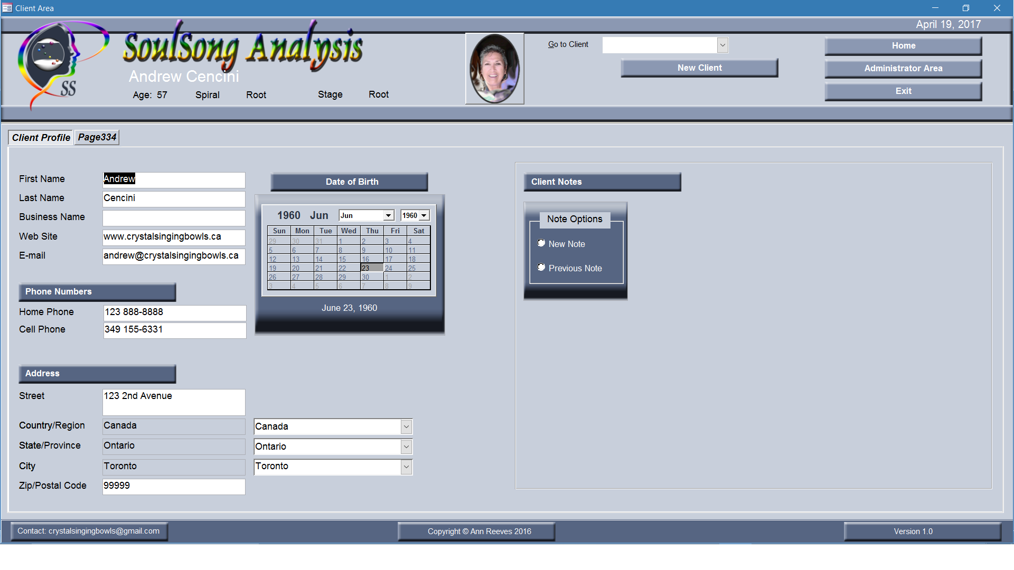
 | Header
 | txtCurrentDate |  | Date
 | Auto_Title0 | =Nz([Practitioner Name],"Untitled")
 | (Tag)ReplaceNull~FieldName=Practitioner Name~ReplacementText=Untitled
 | txtDuplicatesWarning | =IIf(DCount("*","[qryClientsExtended]","[ID]<>" & Nz([ID],0) & " And [Client Name]
 |  | = '" & Replace(Nz([Client Name]),"'","''") & "'")>0,"Possible Duplicate","")
 | cmdClose | Macro | Close Client Go Home
 | cmdAdministratorArea | Macro | Close Client Go Administrator Area
 | cmdExit | Macro | Exit Application
 | txtID | ID | qryClientsExtended
 | txtAge | = (Date - Me.txtDoB) / 365.25
 | txtSpiral | = Gbl_SpiralName(Me.txtAge) | txtAge
 | txtStage | = Gbl_StageName(Me.txtAge) | txtAge
 | Tab Client Profile
 | txtFirstName | FullName | qryClientsExtended
 | txtLastlName | FullName | qryClientsExtended
 | txtBusiness | Business | qryClientsExtended
 | txtEmail | Email | qryClientsExtended
 | txtWebSite | WebSite | qryClientsExtended
 | txtDoB | DoB | qryClientsExtended
 | cboDay |  | txtDoB
 | cboMonth |  | txtDoB
 | cboYear |  | txtDoB
 | txtBPhone | BPhone | qryClientsExtended
New Client
 | txtCPhone | CPhone | qryClientsExtended
Client
Profile
 | txtHPhone | HPhone | qryClientsExtended
 | txtAddress | Address | qryClientsExtended
 | txtCountry | Country | qryClientsExtended
 | txtStateProvince | StateProvince | qryClientsExtended
Save to tblClient
 | txtCity | City | qryClientsExtended
 | txtZIPCode | ZIPCode | qryClientsExtended
 | cboCountryName | CountryName | qryCountryUnion
Open frmClientArea
Tab Client Profile
Save to tblClients
Choose Client
Choose Tab
Edit Client
Profile
 | cboStateName | StateName | qryStateUnion
4a
 | cboCityName | CityName | qryCityUnion

Administrator Area
Tab Notes
3b
3a

Start Up
2a

Exit

2

3a New Client
Home
Client Profile


Current Date


Session Date

New Client
New Session
Previous Session

FName
Phone
New Note

LName
Address
Dropdown list: Notes Open down with Vscroll
New Note
Previous Note
Dropdown list: Notes Open down with Vscroll
DoB
City
File Save/Delete Options
File Save Delete Options

Spiral
Province

Stage
Country



Save Client Profile

Verson, Copyright, Contact

New Client
Manual Input:

Save Client Profile
Store Data: Client Info
Table: ClientInfo
3b
 |  | Manual Input
3a
Home
2b

 | Stored Data
Stored Data

Terminator
Preparation
Preparation
Decision
Decision
1
1
1
1
Or
Or

Process
Predefined Process
Predefined Process
Alternate Process
Alternate Process
Manual Operation
Manual Operation
Extract
Extract
Merge
Merge
Summing Junction
Summing Junction
Delay
Delay

Manual Input
Data
Data
Internal Storage
Internal Storage
Document
Document

Stored Data
Stored Data
Sequential Access Storage
Sequential Access Storage
MultiDocuments
MultiDocuments

Display
Display

3b Client
Home
Client Profile

Current Date

New Session
Dropdown: Previous Sessions
Session Date

Session List by Session Number & Date

Client
New Session
Previous Session

FName
Phone
Dropdown list: Notes Open down with Vscroll

LName
Address
New Note
Note List by Date
New Note
Previous Note
Dropdown list: Notes Open down with Vscroll
DoB
City
File Save/Delete Options
File Save Delete Options

Spiral
Province

Stage
Country

Edit Client Profile

Save Client Profile

Verson, Copyright, Contact

Store Data: Client Info
Table: ClientInfo
**ClientID
FName
LName
DoB
Phone
Email
Address1
City
Province
Country

Edit Profile
3b

Populate Client Profile from Table ClientInfo
Table: Sessions
Table: Notes
Calculate & Populate Spiral & Stage
3b

New Note
N
Y
Store Data:Note
Table:Notes
**ClientID
**Date
Rest - zero values

 | Stored Data
Stored Data
Previous Note From Table: Notes
Listed by Date

Choose Note
Open & Populate Notepad
per Date
Edit Note
Store Data: Note
Table: Notes
**ClientID
**Date
Note
3b

New Session
N
Y
Store Data: Sessions
Save to Table:
Sessions
**ClientID
**Date
Rest - zero values
Manual Input
4a

Populate with Data: Sessions From Table: Sessions
Listed by Session Number & Date

Choose Session
5a

4a New Session Base
Home
Client Profile
Session
Print

Current Date
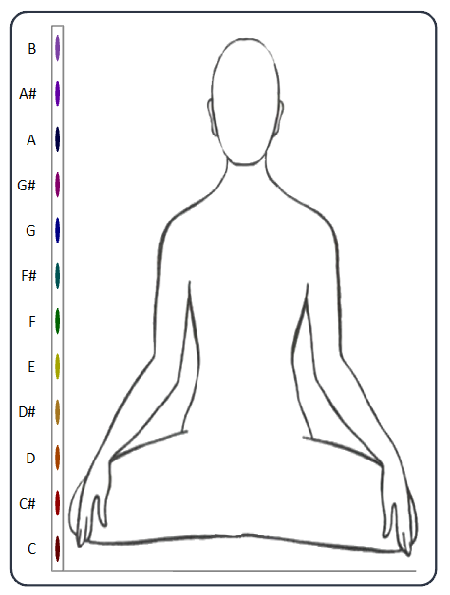
Base B
BaseB
Base
Sharps
7 Chakra
Integrated
Vision
Stress
Base
Session Date
Base A#
BaseAs

Base A
BaseA

Current Tab
Base G#
BaseGs

Clear Tab Input
Base G
BaseG
FName
Base F#
BaseFs
LName
Base F
BaseF
DoB
Base E
BaseE

Spiral
Base D#
BaseDs

Stage
Print
Base D
BaseD

Base C#
BaseCs

Base C
BaseC

Total Hits
TotalBase
Start Record
Stop Record

Verson, Copyright, Contact

5a

Date of Session
Populate
Current Date
Client Profile from: Table ClientInfo
Table: Sessions
Session Date < Current Date
Tab
Base
TotalBase
>69
N
Y
Start
Record
Fournier Identify Frequencies from Mic Input
IdentifyTones
Count Tones BaseC-BaseB
Total Hits = Total Counts
Stop Record
N
Y
4a

5b

TotalBase
>69
N
Y
Tab
Stress
TotalStress
>69
N
Y
5a
4b

5c
Save values to Table: Sessions
**ClientID
**Date
BaseC - BaseB

Tab
Vision
TotalVision
>69
N
Y
4c

Calculate IntegratedC-IntegratedB
Calculate IntegratedTotal

Clear Tab Input
Save zero values to Table: Sessions
**ClientID
**Date
BaseC - BaseB
4a

Save values to Table: Sessions
**ClientID
**Date
IntegratedC - IntegratedB
IntegratedTotal
5d
5a

TotalBase>69
TotalStress>69
TotalVision >69
N
Y
Tab Integrated

5d

TotalBase>69
TotalStress>69
TotalVision >69
N
Y
Tab
7 Chakra

4a
4b
4c

5f

Session Not Complete - Need more than 70 Hits
TotalBase<70
N
Y
TotalStress<70
N
Y
TotalVision <70

Tab
Sharps
TotalBase>69
TotalStress>69
TotalVision >69
N
Y
6

Print
10

4b New Session Stress
Home
Client Profile
Session
Print

Current Date
Stress B
StressB
Stress
Sharps
7 Chakra
Integrated
Vision
Base
Stress
Session Date
Stress A#
StressAs

Stress A
StressA

Current Tab
Stress G#
StressGs

Clear Tab Input
Stress G
StressG
FName
Stress F#
StressFs
LName
Stress F
StressF
DoB
Stress E
StressE

Spiral
Stress D#
StressDs

Stage
Print
Stress D
StressD

Stress C#
StressCs

Stress C
StressC

Total Hits
TotalStress
Start Record
Stop Record

Verson, Copyright, Contact

5a

Date of Session
Populate
Current Date
Client Profile from: Table ClientInfo
Table: Sessions
Session Date < Current Date
Tab
Base
TotalBase
>69
N
Y
4a
4a

5b

Tab
Stress
TotalStress
>69
N
Y
Start
Record
Fournier Identify Frequencies from Mic Input
IdentifyTones
Count Tones BaseC-BaseB
Total Hits = Total Counts
Stop Record
N
Y
5a

5c

TotalBase
>69
N
Y
Tab
Vision
TotalVision
>69
N
Y
4c

Save values to Table: Sessions
**ClientID
**Date
BaseC - BaseB
Clear Tab Input
Save zero values to Table: Sessions
**ClientID
**Date
BaseC - BaseB
4a

Calculate IntegratedC-IntegratedB
Calculate IntegratedTotal
5d

TotalBase>69
TotalStress>69
TotalVision >69
N
Y
Tab Integrated
Save values to Table: Sessions
**ClientID
**Date
IntegratedC - IntegratedB
IntegratedTotal

5b

5d

TotalBase>69
TotalStress>69
TotalVision >69
N
Y
Tab
7 Chakra

5f
4a
4b
4c

Session Not Complete - Need more than 70 Hits
TotalBase<70
N
Y
TotalStress<70
N
Y
TotalVision <70
Tab
Sharps
TotalBase>69
TotalStress>69
TotalVision >69
N
Y
6

Print
10

4c New Session Vision
Home
Client Profile
Session
Print

Current Date
Vision B
VisionB
Vision
Sharps
7 Chakra
Integrated
Base
Stress
Vision
Session Date
Vision A#
VisionAs

Vision A
VisionA

Current Tab
Vision G#
VisionGs

FName
Clear Tab Input
Vision G
VisionG

Vision F#
VisionFs
LName
Vision F
VisionF
DoB
Vision E
VisionE

Spiral
Vision D#
VisionDs

Stage
Print
Vision D
VisionD

Vision C#
VisionCs

Vision C
VisionC

Total Hits
TotalVision
Start Record
Stop Record

Verson, Copyright, Contact

5a

Date of Session
Populate
Current Date
Client Profile from: Table ClientInfo
Table: Sessions
Session Date < Current Date
Tab
Base
TotalBase
>69
N
Y
4a
4a

5b

Tab
Stress
TotalStress
>69
N
Y
5a
4b

5c

Stop Record
N
Y
Tab
Vision
TotalVision
>69
N
Y
Start
Record
Fournier Identify Frequencies from Mic Input
IdentifyTones
Count Tones BaseC-BaseB
Total Hits = Total Counts

TotalBase
>69
N
Y
Clear Tab Input
Save zero values to Table: Sessions
**ClientID
**Date
BaseC - BaseB
4a

Save values to Table: Sessions
**ClientID
**Date
BaseC - BaseB
5d

TotalBase>69
TotalStress>69
TotalVision >69
N
Y
Tab Integrated
Calculate IntegratedC-IntegratedB
Calculate IntegratedTotal

5d
Save values to Table: Sessions
**ClientID
**Date
IntegratedC - IntegratedB
IntegratedTotal

5a
TotalBase>69
TotalStress>69
TotalVision >69
N
Y
Tab
7 Chakra

5f
4a
4b
4c

Session Not Complete - Need more than 70 Hits
TotalBase<70
N
Y
TotalStress<70
N
Y
TotalVision <70
Tab
Sharps
TotalBase>69
TotalStress>69
TotalVision >69
N
Y
6

Print
10

5a Base
Home
Client Profile
Session
Print

Current Date
Base B
BaseB
Base
Sharps
7 Chakra
Integrated
Vision
Stress
Base
Session Date
Base A#
BaseAs

Base A
BaseA

Base G#
BaseGs

Base G
BaseG
FName
Base F#
BaseFs
LName
Base F
BaseF
DoB
Base E
BaseE

Spiral
Base D#
BaseDs

Stage
Print
Base D
BaseD

Base C#
BaseCs

Base C
BaseC

Total Hits
TotalBase

Verson, Copyright, Contact

Hide:
Current Tab
Clear Tab Input
Clear All Tabs
Record Start
Record Stop
Hits
Tab
Base
5a

5b

Tab
Stress
Total Stress>69

5c
4a
4b
4c
Tab
Vision
Total Stress>69

Session Not Complete - Need more than 70 Hits
TotalBase<70
N
Y
TotalStress<70
N
Y
TotalVision
5d
6

Tab Integrated
Total Base>69
Total Stress>69
TotalVision>69

5e

Tab
7 Chakra
Total Base>69
Total Stress>69
TotalVision>69

5f

Tab
Sharps
Total Base>69
Total Stress>69
TotalVision>069

10

Total Base>0
Total Stress>0
TotalVision>0
Print

5b Stress
Home
Client Profile
Session
Print

Current Date
Stress B
StressB
Stress
Sharps
7 Chakra
Integrated
Vision
Base
Stress
Session Date
Stress A#
StressAs

Stress A
StressA

Stress G#
StressGs

Stress G
StressG
FName
Stress F#
StressFs
LName
Stress F
StressF
DoB
Stress E
StressE

Spiral
Stress D#
StressDs

Stage
Print
Stress D
StressD

Stress C#
StressCs

Stress C
StressC

Total Hits
TotalStress

Verson, Copyright, Contact

Hide:
Current Tab
Clear Tab Input
Clear All Tabs
Record Start
Record Stop
Hits
Tab
Base
5b
5a

Tab
Stress

5c
4a
4b
4c
Tab
Vision
Total Stress>69

Session Not Complete - Need more than 70 Hits
TotalBase<70
N
Y
TotalStress<70
N
Y
TotalVision
5d
6

Tab Integrated
Total Base>69
Total Stress>69
TotalVision>69

5e

Tab
7 Chakra
Total Base>69
Total Stress>69
TotalVision>69

5f

Tab
Sharps
Total Base>69
Total Stress>69
TotalVision>069

10

Total Base>0
Total Stress>0
TotalVision>0
Print

5c Vision
Home
Client Profile
Session
Print

Current Date
Vision B
VisionB
Vision
Sharps
7 Chakra
Integrated
Base
Stress
Vision
Session Date
Vision A#
VisionAs

Vision A
VisionA

Vision G#
VisionGs

FName
Vision G
VisionG

Vision F#
VisionFs
LName
Vision F
VisionF
DoB
Vision E
VisionE

Spiral
Vision D#
VisionDs

Stage
Print
Vision D
VisionD

Vision C#
VisionCs

Vision C
VisionC

Total Hits
TotalVision

Verson, Copyright, Contact

Hide:
Current Tab
Clear Tab Input
Clear All Tabs
Record Start
Record Stop
Hits
Tab
Base
5c
5a

Tab
Stress
5b

4a
4b
4c
Tab
Vision

Session Not Complete - Need more than 70 Hits
TotalBase<70
N
Y
TotalStress<70
N
Y
TotalVision
5d
6

Tab Integrated
Total Base>69
Total Stress>69
TotalVision>69

5e

Tab
7 Chakra
Total Base>69
Total Stress>69
TotalVision>69

5f

Tab
Sharps
Total Base>69
Total Stress>69
TotalVision>069

10

Total Base>0
Total Stress>0
TotalVision>0
Print

5d Integrated
Home
Client Profile
Session
Print

Current Date
Integrated B
IntegratedB
Integrated
Sharps
7 Chakra
Base
Stress
Vision
Integrated
Session Date
Integrated A#
IntegratedAs

Integrated A
IntegratedA

Integrated G#
IntegratedGs

FName
Integrated G
IntegratedG

Integrated F#
IntegratedFs
LName
Integrated F
IntegratedF
DoB
Integrated E
IntegratedE

Spiral
Integrated D#
IntegratedDs

Stage
Print
Integrated D
IntegratedD

Integrated C#
IntegratedCs

Integrated C
IntegratedC

Verson, Copyright, Contact

Hide:
Current Tab
Clear Tab Input
Clear All Tabs
Record Start
Record Stop
Hits
Tab
Base
5d
5a

Tab
Stress
5b

Tab
Vision
5c

Date of Session
Populate IntegratedC-IntegratedB
From Table: SessionsI
Tab Integrated

Tab
7 Chakra
5e

Tab
Sharps
5f

Print
10

5e 7 Chakra
Home
Client Profile
Session
Print

Current Date
Integrated B
IntegratedB
7 Chakra
Sharps
Base
Stress
Vision
Integrated
7 Chakra
Session Date

Integrated A
IntegratedA

Integrated G
IntegratedG
FName

LName
Integrated F
IntegratedF
DoB
Integrated E
IntegratedE

Spiral

Stage
Print
Integrated D
IntegratedD

Integrated C
IntegratedC

Verson, Copyright, Contact

Hide:
Current Tab
Clear Tab Input
Clear All Tabs
Record Start
Record Stop
Hits
Tab
Base
5e
5a

Tab
Stress
5b

Tab
Vision
5c

Tab Integrated
5f

Date of Session
Populate IntegratedC-IntegratedB
From Table: SessionsI
Tab
7 Chakra

Tab
Sharps
5f

Print
10

5f Sharps
Home
Client Profile
Session
Print

Current Date
Sharps
Base
Stress
Vision
Integrated
7 Chakra
Sharps
Session Date
Integrated A#
IntegratedAs

Integrated G#
IntegratedGs

FName

LName
Integrated F
IntegratedF
DoB
Integrated E
IntegratedE

Spiral

Stage
Print
Integrated D
IntegratedD

Integrated C
IntegratedC

Verson, Copyright, Contact

Hide:
Current Tab
Clear Tab Input
Clear All Tabs
Record Start
Record Stop
Hits
Tab
Base
5e
5a

Tab
Stress
5b

Tab
Vision
5c

Tab Integrated
5f

Tab
7 Chakra
5e

Date of Session
Populate IntegratedC-IntegratedB
From Table: SessionsI
Tab
Sharps

Print
10

10 Print Screen
Home
Client Profile
Session
Print

Session Date

FName LName
DoB
FName
Spiral
Stage
LName
Base
Stress
Vision

DoB
Practitioner - FName LName

Practitioner - BName
Spiral
BPhone
BEmail
Stage
BAddress
BCity

Print Options
○ Base
○ Vision
○ Integrated
○ 7 Chakra
○ Sharps

Integrated
7 Chakra
Sharps
Print
Verson, Copyright, Contact

Verson, Copyright, Contact

Print Preview
Default:
All 5 charts
Print Button
Print Landscape
10

Option buttons
changed

Display Print Preview

Options Changed
N
Y

